Sheet1
 | Document No. |  | Issue No. | Issue Date |  | Review and Replace Date |  | Authorised By
 | GFF008MC |  | 5 | 23.09.2018 |  | 28.09.2023 |  | Magda Shah
 | Document Title |  | Onion Bhaji 40g - Deli Counter
Document amendments reason for change | Tray & Film Updated |  |  | Page 1 of 1 | Previous Issue Date |  | 09.12.2021 | Uncontrolled copy unless signed original

COBH3C-B20X1TEB |  | BOOTHS - DELI |  | ONION BHAJI 40G
STEP 1 |  |  |  |  | STEP 2
 |  |  |  |  | 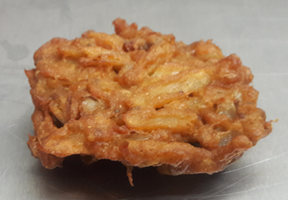

No Gas

Tray: HW308/60 open ECO tray- PKLEE001-09 |  |  |  |  | ONION BHAJI COCKTAIL 40g (GFF121R): 40g x 20 units
Film: K Peel RPSM 25µm (340mmX1000lm) -(PKKMP001-05)
STEP 3
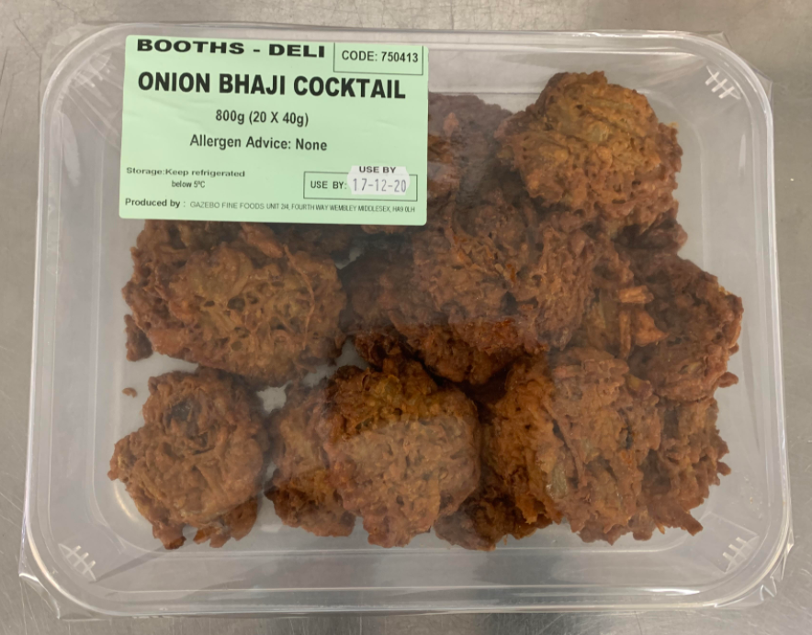 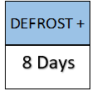

TOTAL WEIGHT: 800g (20 units)

ALLERGY ALERT: NONE

